Resumen Pruebas
 |  |  |  |  |  |  |  | Parámetros que afectan la combustión erosiva
Id | Motor | Test | Configuración | Fecha | Nº granos | Tipo grano | Grain core diameter_ini (mm) | Aport/At_inicial (Min) | Ki_max=Ab/Aport (<35 o <100) | Ki1_max=Ab/Aport (<35 o <100) | Core diam/Grain total length | L/D | Lt/D | Ambient temperature (°C) | Empty space in the chamber (mm) | Grano recubierto de polvora negra? | Posición iginitor | Diámetro medio grano (mm) | Longitud media grano (mm) | Peso medio grano (g) | Longitud Total (todos los granos) (mm) | Peso Total grano (g) | Peso max prop Posible | Carga Motor (%) | Tiempo de combustión (s) | Presión máx (atm) | Empuje máx (kg) | It (N·s) | Isp (s) | Erosive Burning | Comentarios | Curva E vs t | Emax_real/Emax_teorico | Kn0 | At (mm2)
1 | D60-1 | Prueba | 4S | 2015-12-07 | 4 | Corto | 16 | 0.71 | 42 | 17 | 0.06 | 1.2 | 4.8 | 13 | 204.6 | NO | Forward End | 58.5 | 69.7 | 287.6 | 278.9 | 1150.4 | 1873.5 | 61% | 2.0 | 6,2 (saturado) | 20,9 (saturado) | 387,5 (saturado) |  | 6 | Célula saturada | 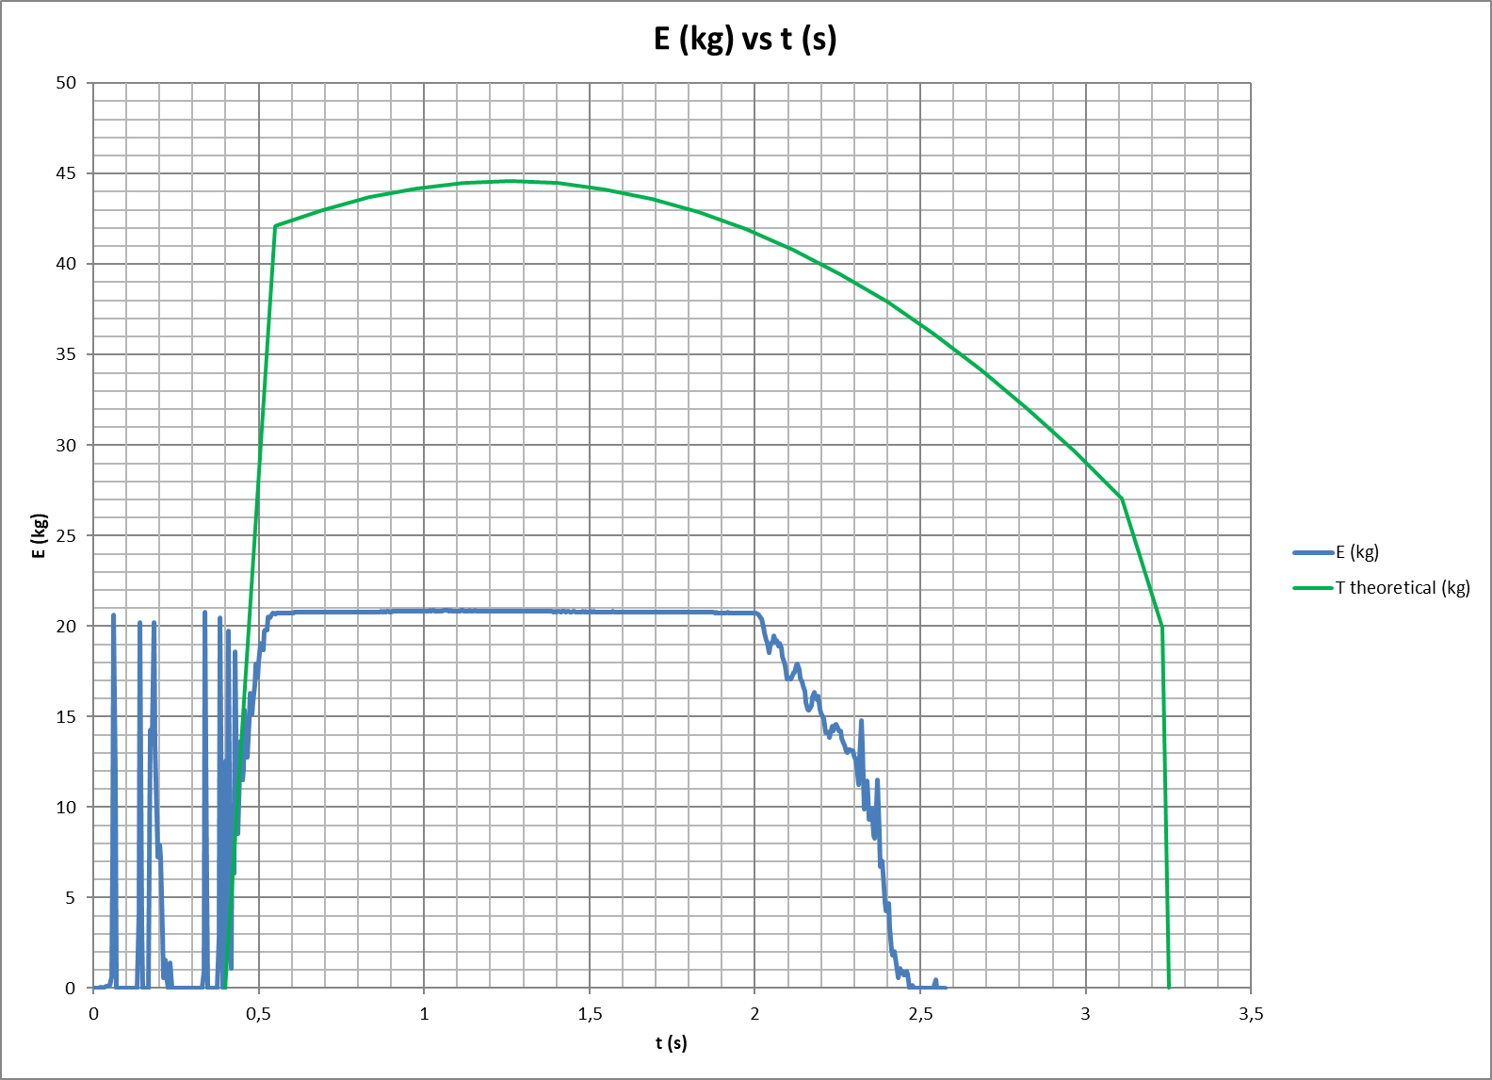 |  | 120 | 283.5
2 | D60-1 | Prueba | 4S | 2015-12-25 | 4 | Corto | 16 | 0.71 | 42 | 19 | 0.05 | 1.3 | 5.1 | 22 | 191.1 | NO | Forward End | 57.4 | 73.1 | 291.2 | 292.4 | 1164.6 | 1873.5 | 62% | 3.1 | 19.8 | 76.6 | 1419 | 124 | 3 |  |  | 1.63 | 119 | 283.5
3 | D60-1 | Prueba | 5S | 2016-01-24 | 5 | Corto | 16 | 0.71 |  |  | 0.04 | 1.3 | 6.3 |  |  |  |  | 57.5 | 72.8 | 283.6 | 364.2 | 1417.8 | 1873.5 | 76% | 2.7 |  |  |  |  |  | No se registran datos |  |  |  | 283.5
4 | D60-1 | Prueba | 5S | 2016-02-07 | 5 | Corto | 16 | 0.71 | 52 | 23 | 0.04 | 1.3 | 6.3 | 20 | 121.1 | SI | Por debajo del punto medio de todos los granos | 57.3 | 72.5 | 288.6 | 362.4 | 1443.0 | 1873.5 | 77% | 1.5 | 40,1 (estimado) | 160 (estimado) | 1508 (estimado) | 107 | 7 | Célula saturada | 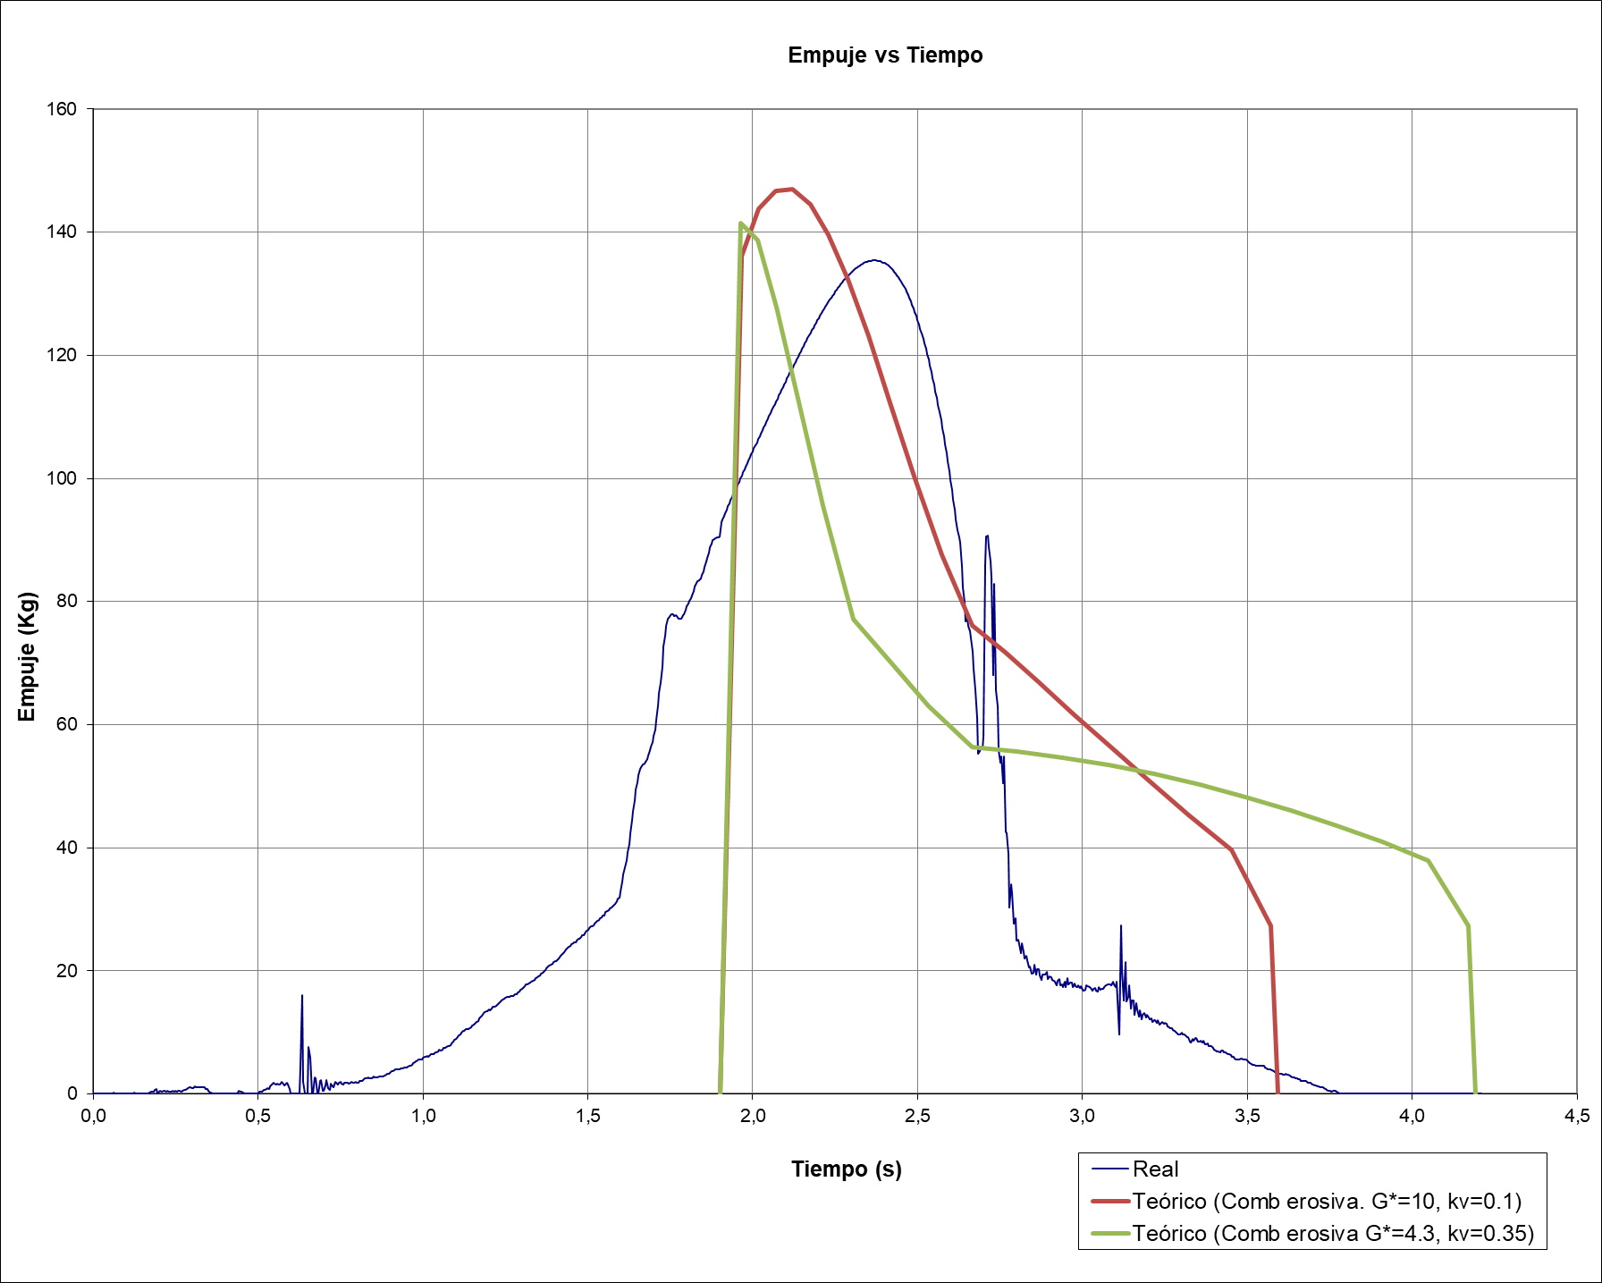 | 2.33 | 148 | 283.5
5 | D60-1 | Prueba | 7S | 2018-12-26 | 7 | Corto | 16 | 0.71 | 71 | 29 | 0.03 | 1.2 | 8.2 | 18 | 13.6 | NO | Por debajo del punto medio de todos los granos | 57.4 | 67.1 | 267.6 | 469.9 | 1873.5 | 1873.5 | 100% | 0.98 | 63.0 | 254.4 | 1882 | 102 | 9 | Célula saturada, pero valores no registrados despreciables. Datos válido | 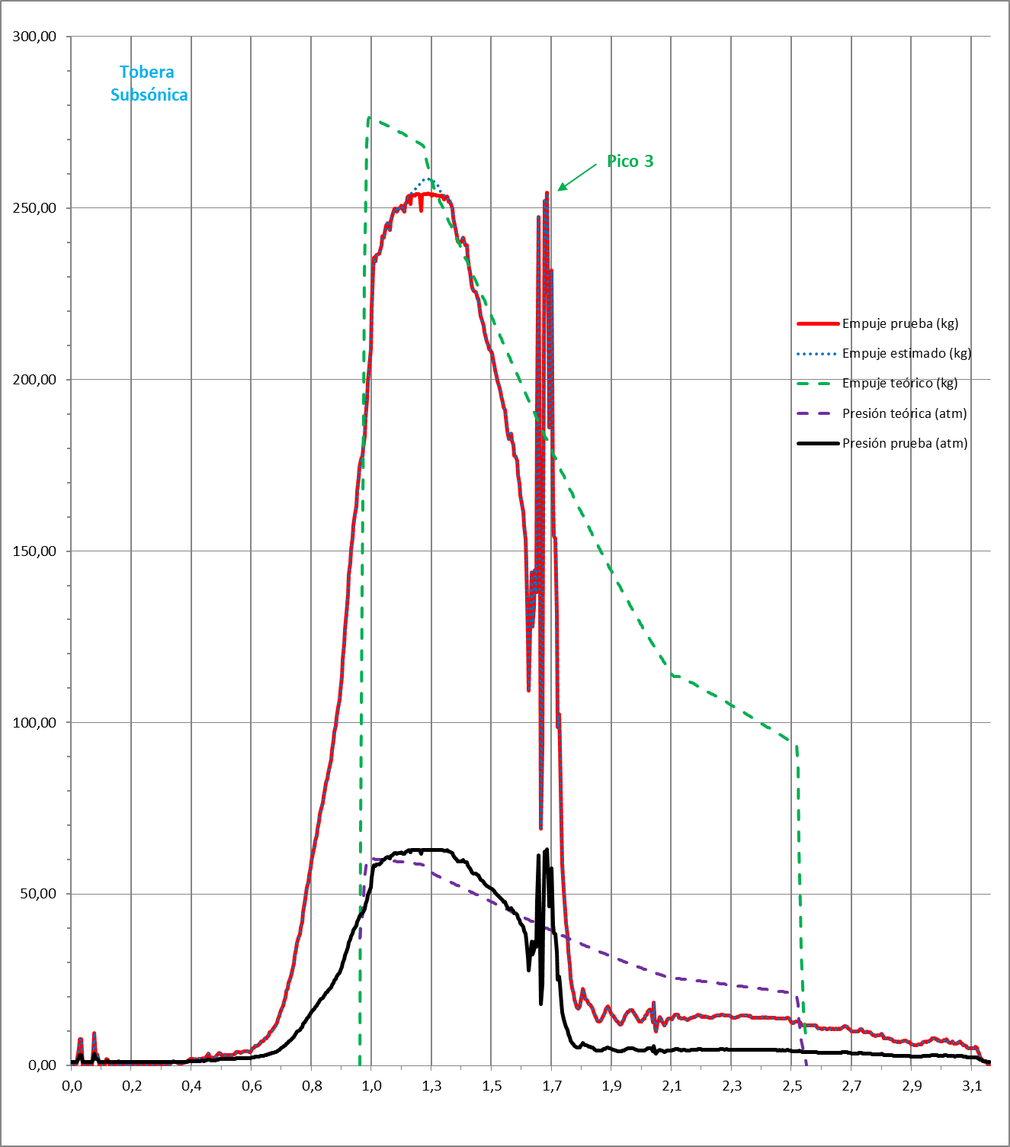 | 3.49 | 201 | 283.5
6 | D60-1 | Prueba | 3S | 2020-05-27 | 3 | Corto | 16 | 0.71 | 31 | 13 | 0.07 | 1.3 | 3.8 | 22 | 268.3 | NO | Forward End | 56.9 | 71.7 | 280.7 | 215.2 | 842.2 | 1873.5 | 45% | 3.97 | 8.4 | 21.6 | 557 | 67 | 0 |  |  | 0.64 | 88 | 283.5
7 | D60-1 | Prueba | 2L | 2020-09-20 | 2 | Largo | 16 | 0.71 | 30 | 18 | 0.06 | 2.4 | 4.9 | 28 | 196.5 | NO | A 4 cm del Forward End | 58.6 | 143.5 | 582.6 | 287.0 | 1165.1 | 1873.5 | 62% | 3.95 | 10.7 | 36.1 | 1046 | 92 | 1 | Como regla general Aport/Athroat debe ser mayor que 2 para Lgrano/D = 6 | 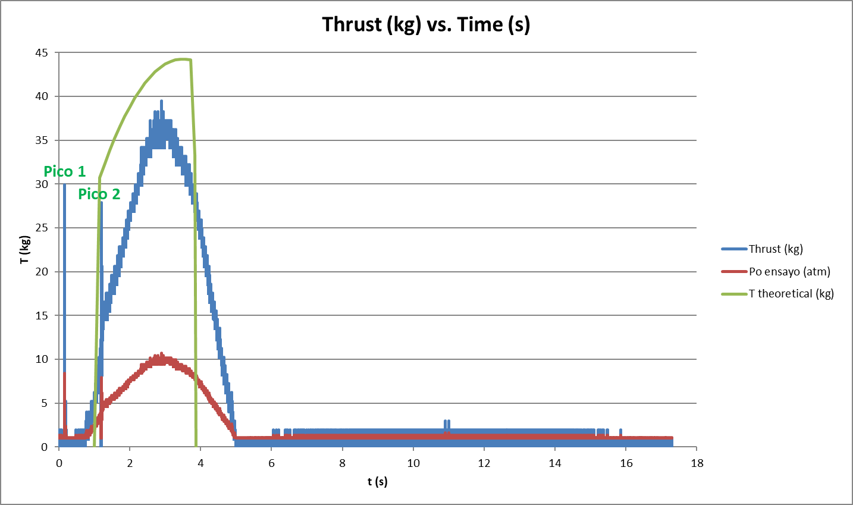 | 0.82 | 86 | 283.5
8 | D60-1 | Prueba | 2L | 2020-12-13 | 2 | Largo | 16 | 0.71 | 31 | 18 | 0.05 | 2.5 | 5.0 | 20 | 188.8 | NO, pero se tapa la tobera | A 4 cm del Forward End | 58.5 | 147.4 | 593.3 | 294.8 | 1186.5 | 1873.5 | 63% | 0.32 | 68 | 270 |  |  | 10 | CATO: 126 atm, 302 kg. Tobera taponada con membrana durante ignición | 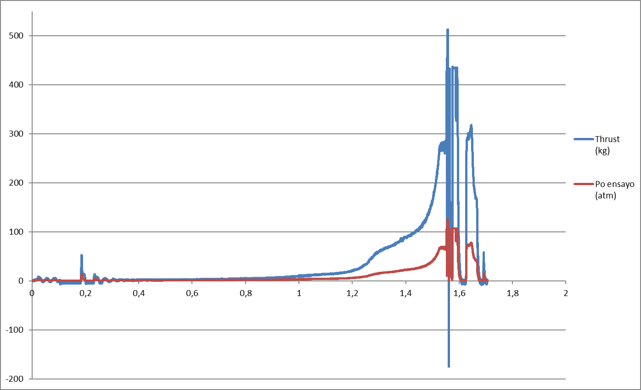 |  | 87 | 283.5
9 | D60-1 | Prueba | 2S | 2021-04-01 | 2 | Cortos | 25 | 1.73 | 13 | 8 | 0.22 | 1.0 | 1.9 | 25 | 0 | NO | Forward End | 58.4 | 55.6 | 210.2 | 111.2 | 420.3 | 1873.5 | 22% | 33.9 | 1.2 | 1.2 | 194.7 | 47.2 | 0 | No alcanza presión nominal |  |  | 62 | 283.5
10 | D60-1 | Prueba | 5S | 2021-04-21 | 5 | Corto | 25 | 1.73 | 23 | 12 | 0.09 | 1.0 | 5.0 | 25 | 0 | SI, pero ligeramente | Forward End | 58.2 | 58.7 | 218.9 | 293.5 | 1094.4 | 1873.5 | 61% | 3.7 |  | 39.7 | 843 | 78.6 | 0 |  | 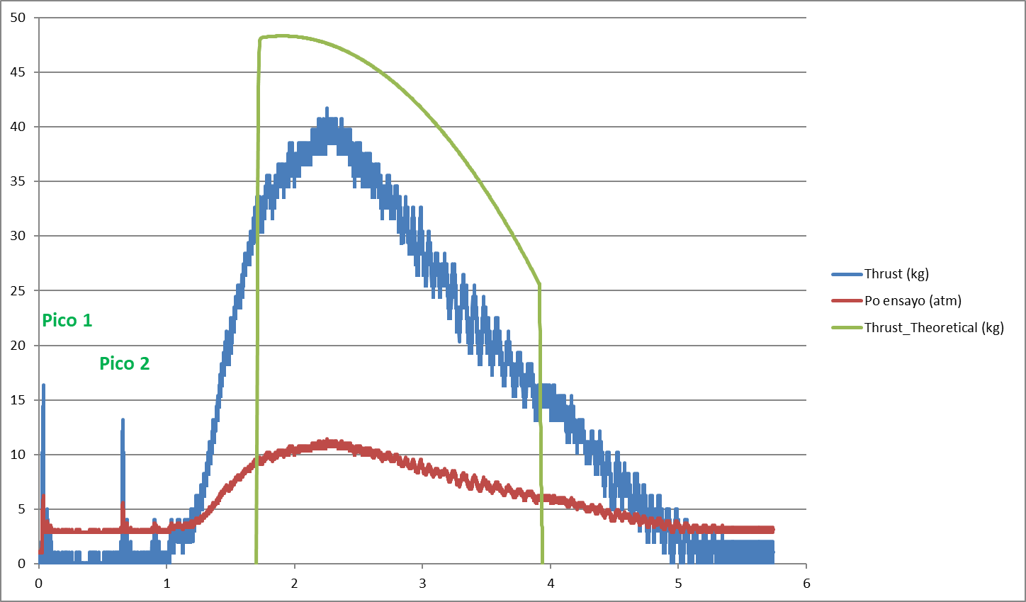 | 0.71 | 158 | 283.5
11 | D60-1 | Lanzamiento | 5S | 2021-05-22 | 5 | Corto | 25 | 1.73 | 23 | 12 | 0.08 | 1.0 | 5.1 | 30.5 | 0 | SI | Forward End | 58.3 | 59.9 | 220.0 | 299.7 | 1099.9 | 1873.5 | 62% | 3,2 (calculado) |  | 51 (calculado) | 895 (calculado) | 83 (calculado) | 0 |  | 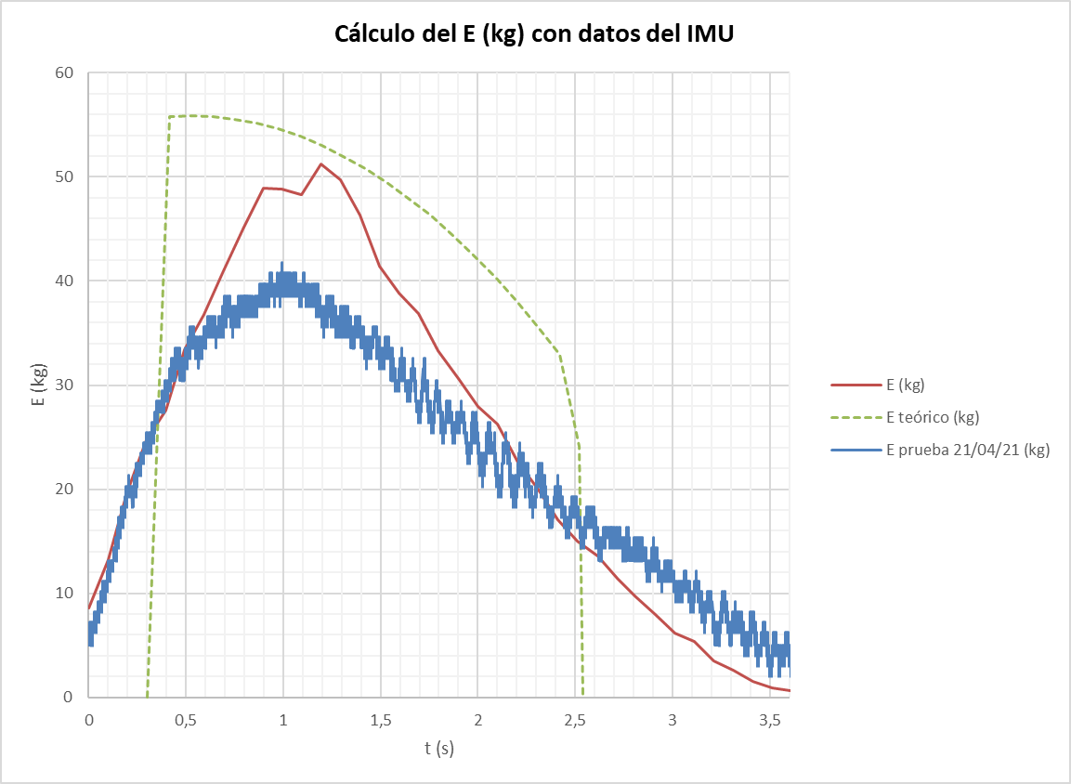 | 0.91 | 160 | 283.5
12 | D60-1 | Prueba | 7S | 2021-11-21 | 7 | Corto | 25 | 1.73 | 31 | 16 | 0.06 | 1.0 | 6.8 | 16 | 0 | SI (alta cantidad) | Forward End | 58.3 | 56.8 | 209.8 | 397.6 | 1468.6 | 1873.5 | 82% | 0.07 | 95.9 | 389.6 |  |  | 10 | CATO: 96 atm, 389 kg | 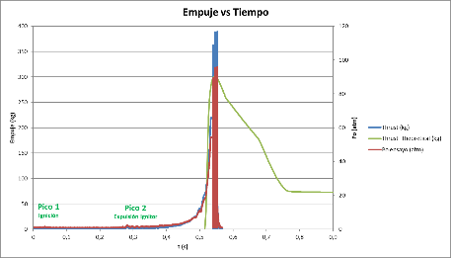 |  | 217 | 283.5

 |  |  |  | Leyenda columna: "fecha" |  |  |  |  |  |  |  |  |  |  |  |  |  |  | Leyenda columna: "Erosive burning"
 |  |  |  | Muy alta desviación respecto a teórico |  |  |  |  |  |  |  |  |  |  |  |  |  | 9-10 | Muy alta desviación respecto a teórico
 |  |  |  | Alta desviación respecto a teórico |  |  |  |  |  |  |  |  |  |  |  |  |  | 7-8 | Alta desviación respecto a teórico
 |  |  |  | Moderada desviación respecto a teórico |  |  |  |  |  |  |  |  |  |  |  |  |  | 4-6 | Moderada desviación respecto a teórico
 |  |  |  | Baja desviación respecto a teórico |  |  |  |  |  |  |  |  |  |  |  |  |  | 2-3 | Baja desviación respecto a teórico
 |  |  |  | Muy Baja desviación respecto a teórico |  |  |  |  |  |  |  |  |  |  |  |  |  | 0-1 | Muy Baja desviación respecto a teórico

AEROTECH
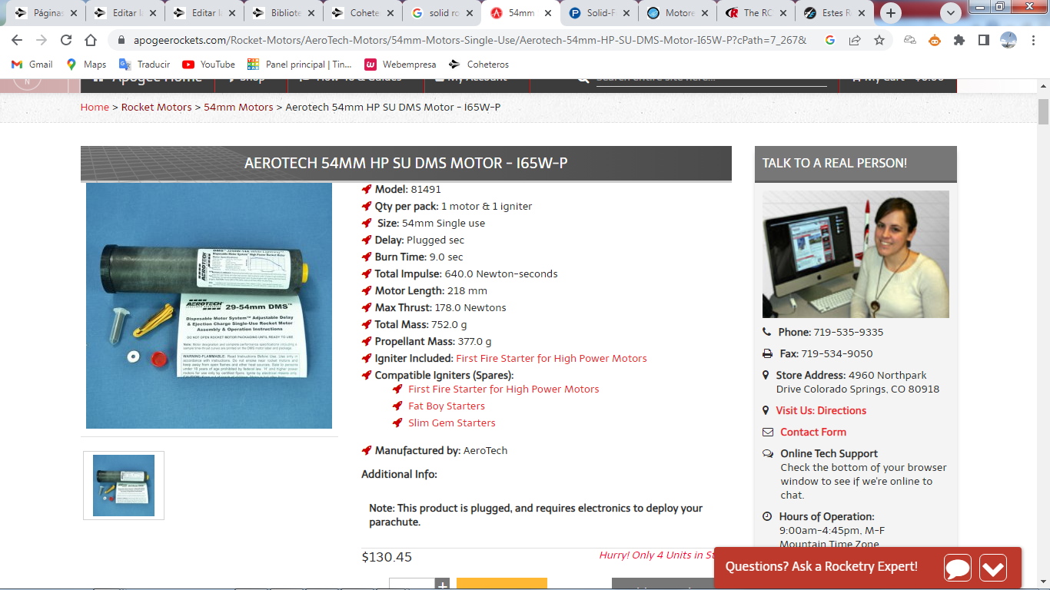
Motor | P/N | Manuf & Type/ Casing | Delay (s) | Color | Burn Time | Tot. Imp. (N-s) | Max Thrst (N) | Len. (mm) | D (mm) | L/D | Prop. Mass (g) | Price
J250W-14 | 81490 | AeroTech Single Use | 14 | White Lightning | 2.7 | 704.1 | 338.6 | 218 | 54 | 4.0 | 324.0 | $138.03
I65W-P | 81491 | AeroTech Single Use | P | White Lightning | 9.0 | 640.0 | 178.0 | 218 | 54 | 4.0 | 377.0 | $130.45
J450DM-14A | 81492 | AeroTech Single Use | 14 | Dark Matter | 2.4 | 1097.0 | 125.0 | 358 | 54 | 6.6 | 662.0 | $179.75
K400C-14A | 81493 | AeroTech Single Use | 14 | Classic | 3.3 | 1361.0 | 549.0 | 358 | 54 | 6.6 | 650.0 | $219.03
K535W-14 | 81494 | AeroTech Single Use | 14 | White Lightning | 2.8 | 1434.0 | 655.0 | 358 | 54 | 6.6 | 745.0 | $206.50
K850DM-16A | 81495 | AeroTech Single Use | 16 | Dark Matter | 2.2 | 1867.0 | 974.0 | 625 | 54 | 11.6 | 1149.0 | $315.64
L1000W-18A | 81496 | AeroTech Single Use | 18 | White Lightning | 2.7 | 2684.4 | 1355.2 | 635 | 54 | 11.8 | 1400.0 | $332.29
K455NW-17A | 81497 | AeroTech Single Use | 17A | White Lightning/Warp 9 | 5.1 | 2327.9 | 1307.9 | 675 | 54 | 12.5 | 1456.0 | $315.64

RCS
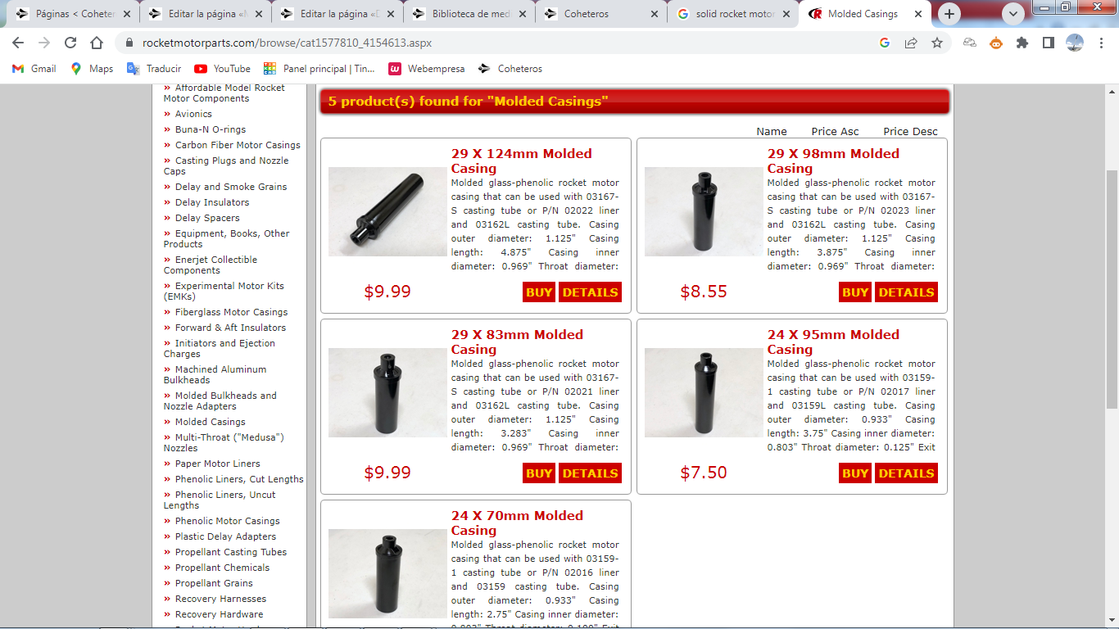
Len. (mm) | D (mm) | L/D
124 | 29 | 4.3
98 | 29 | 3.4
83 | 29 | 2.9
95 | 24 | 4.0
70 | 24 | 2.9

